Questions
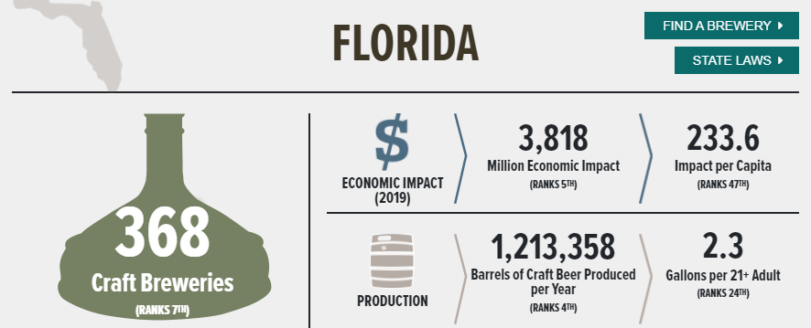


 | Business Intelligence Analyst: Case Study (Blake)
 | Part 1
 | You will need a SQL client to answer the following 2 questions:
 | If you currently do not have one, we recommend DbGate. it's free and works pretty well (https://dbgate.org)

CORY,
Normally, I would have a candiate log in the this database and write a sql Query to join two tables. However, i just included the two tables for you here so you can see what I'm asking for.
It's the two tabs (Q1 DATA).
I used to have people do it in excel, but I needed to know if they could do SQL
 | NOTE: Before you begin, you will need to send us your IPv4 so we can open access to the database
 | https://whatismyipaddress.com/
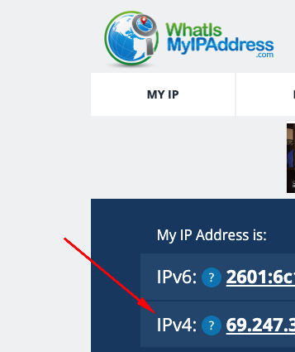

 | Database Type: MySQL
 | Server Host: 192.254.188.37
 | UN: roberers_tester
 | PW: Tempest2023

 | Write a SQL statement to join the airline name table to the landing data table to answer the following questions

 | 1: Please include the SQL statement used and and resulting dataset in the tabs below

 | 2: When does Alaska Airlines show a signifianct change in landing count and why? Please use a Chart as a visual.

Part 2
1). | Based on these 2020 stats from the Brewers Association, if Florida craft breweries maintained their current levels of production, how long would it take for them to produce the amount of craft beer needed to fill enough 12 oz cans to reach the moon?
 | Please build a rough model on a new tab showing how you would answer this question

Paste Your Dataset Here
Year | Month | Total_Landings
2013 | 1 | 464
2013 | 2 | 422 | Sum of Total_Landings | Year
2013 | 3 | 488 | Month | 2013 | 2014 | 2015 | 2016 | 2017 | 2018 | Grand Total
2013 | 4 | 481 | 1 | 464 | 493 | 506 | 493 | 488 | 2052 | 4496
2013 | 5 | 496 | 2 | 422 | 423 | 461 | 480 | 449 | 2471 | 4706
2013 | 6 | 494 | 3 | 488 | 512 | 553 | 550 | 551 | 2707 | 5361
2013 | 7 | 492 | 4 | 481 | 534 | 543 | 567 | 537 | 2614 | 5276
2013 | 8 | 525 | 5 | 496 | 551 | 557 | 585 | 585 | 2787 | 5561
2013 | 9 | 481 | 6 | 494 | 530 | 525 | 537 | 570 | 2604 | 5260
2013 | 10 | 495 | 7 | 492 | 551 | 541 | 547 | 674 | 2642 | 5447
2013 | 11 | 497 | 8 | 525 | 550 | 569 | 545 | 762 | 2445 | 5396
2013 | 12 | 474 | 9 | 481 | 499 | 513 | 519 | 754 | 2312 | 5078
2014 | 1 | 493 | 10 | 495 | 517 | 534 | 519 | 761 | 2429 | 5255
2014 | 2 | 423 | 11 | 497 | 504 | 490 | 498 | 729 | 2449 | 5167
2014 | 3 | 512 | 12 | 474 | 480 | 493 | 491 | 753 | 2505 | 5196
2014 | 4 | 534 | Grand Total | 5809 | 6144 | 6285 | 6331 | 7613 | 30017 | 62199
Total Landings by Year and Month Alaska Airlines
2014 | 5 | 551
2014 | 6 | 530
2014 | 7 | 551
2014 | 8 | 550
2014 | 9 | 499
2014 | 10 | 517
2014 | 11 | 504
2014 | 12 | 480
2015 | 1 | 506
2015 | 2 | 461
2015 | 3 | 553
2015 | 4 | 543
2015 | 5 | 557
2015 | 6 | 525
2015 | 7 | 541
2015 | 8 | 569
2015 | 9 | 513
2015 | 10 | 534
2015 | 11 | 490
2015 | 12 | 493
2016 | 1 | 493
2016 | 2 | 480
2016 | 3 | 550
2016 | 4 | 567
2016 | 5 | 585
2016 | 6 | 537
2016 | 7 | 547
2016 | 8 | 545
2016 | 9 | 519
2016 | 10 | 519
2016 | 11 | 498
2016 | 12 | 491
2017 | 1 | 488
2017 | 2 | 449
2017 | 3 | 551
2017 | 4 | 537
2017 | 5 | 585
2017 | 6 | 570
2017 | 7 | 674
2017 | 8 | 762
2017 | 9 | 754
2017 | 10 | 761
2017 | 11 | 729
2017 | 12 | 753
2018 | 1 | 2052
2018 | 2 | 2471
2018 | 3 | 2707
2018 | 4 | 2614
2018 | 5 | 2787
2018 | 6 | 2604
2018 | 7 | 2642
2018 | 8 | 2445
2018 | 9 | 2312
2018 | 10 | 2429
2018 | 11 | 2449
2018 | 12 | 2505

